Available data
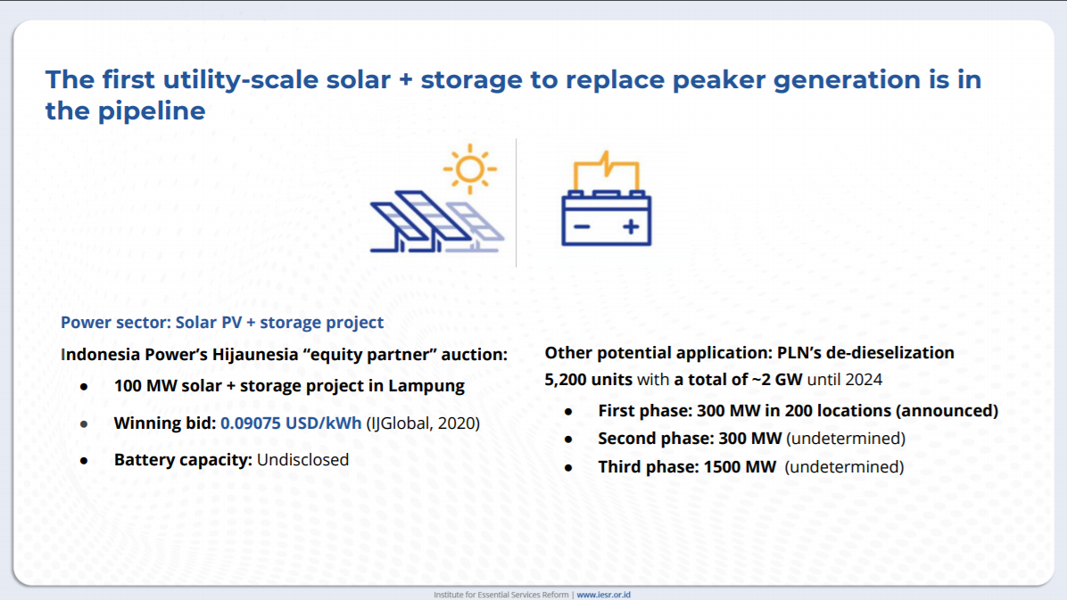
Lampung project (Hijaunesia) |  |  | deployment year unknown
Generation capacity | 100 | MW
Battery capacity | 70 | MW

Potential application | 2022 | 2023 | 2024
Battery capacity (MW) | 300 | 300 | 1500

Electricity storage output [TWh] | 2020 | 2025 | 2030 | 2035 | 2040 | 2045 | 2050
Battery utility | 0 | 0 | 0 | 2.1 | 9.7 | 22.1 | 49.1
Battery prosumers – C&I | 0 | 0 | 1.7 | 4.7 | 8 | 14.8 | 24.6
Battery prosumers – RES | 0 | 0 | 0.1 | 4 | 7 | 13.1 | 21.8
PHES | 0 | 1 | 3 | 5.1 | 5 | 5.7 | 5.9
A–CAES | 0 | 0 | 0 | 0 | 0 | 0 | 0
Total | 0 | 1 | 4.8 | 15.9 | 29.7 | 55.7 | 101.4

